Sheet1
Unique_ID | Depiction_type | Image | Interpretation_of_the_animal_common_name | Interpretation_of_the_animal_scientific_name | Media_description | Representation_technique | Functional_context | Dimensions _of_the_illustration_or_the_object | Period | Min_time_range | Max_time_range | Site | Site_type | Town/City | Prefecture | Region | Latitude | Longitude | Image_source | Reference | Note
ID001 | AA | 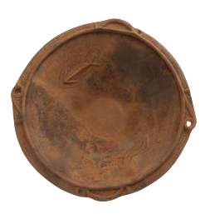 | Fish |  | Bowl (clay) | In relief | Ritual | Bowl dimensions: Height:14.5 cm External diameter: 44.0 cm | Middle Jōmon | -3520 | -2470 | Onna-Okihara | NA | Atsugi | Kanagawa | Kantō | 35.44225 | 139.34017 | Atsugi City Shitei Bunkazai Kaisetsu Sheet - Archaeological Material No. 4: Onna Okihara iseki shutsudo asabachi (https://www.city.atsugi.kanagawa.jp/) | Atsugi City Shitei Bunkazai Kaisetsu Sheet - Archaeological Material No. 4: Onna Okihara iseki shutsudo asabachi (https://www.city.atsugi.kanagawa.jp/)
ID002 | AA | 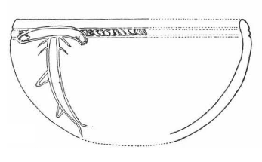 | Shark | Sphyrna spp. | Bowl (clay) | Engraved | NA | Length: 10 cm Width (including the fins): 5.7 cm | Final Jōmon | -1250 | -400 | Yama-no-kami | NA | Iiyama | Nagano | Chūbu | 36.66672 | 138.18432 | 4th Takusakawajiri Site Excavation Survey Report (1986) | Iiyama City Board of Education (1986) Takusakawajiri iseki; Nakazawa, M. (2006) The current state and issues of research on primitive paintings in the Chūbu region. In: Shitara, H. (Ed.), A Study of Primitive Paintings. Rokuichi Shobō, Tokyo: 145-164; J.A. White, G.H. Burgess, M. Nakatsukasa et al., (2021). 3000-year-old shark attack victim from Tsukumo shell-mound, Okayama, Japan. Journal of Archaeological Science: Reports 38: 1-12.
ID003 | AA |  | Fish |  | Rock cave walls | Engraved | NA | NA | Final Jōmon | -1250 | -400 | Fugoppe Cave | NA | Yochi | Hokkaidō | Hokkaidō | 43.19471 | 140.83883 | 2007 Japan Sea Studies Research Group Support Project. A Study of Prehistoric Petroglyphs in the Japan Sea Rim Region — 2007 Survey in the Russian Primorye — Kazuyoshi Ōtsuka (Osaka Gakuin University) | 2007 Japan Sea Studies Research Group Support Project A Study of Prehistoric Petroglyphs in the Japan Sea Rim Region — 2007 Survey in the Russian Primorye —Kazuyoshi Ōtsuka (Osaka Gakuin University)
ID004 | AA |  | Killer whale | Orcinus orca | Figurine (clay) | Sculptured | Ritual | Lenght: 6.3 cm Width: 3.9 cm Height: 2.9 cm | Middle Jōmon | -3520 | -2470 | Kikyō-2 | Settlement | Hakodate | Hokkaidō | Hokkaidō | 41.8302 [not precise] | 140.73422 [not precise] | Yamuura K. (1998). The Sea Mammal Hunting Cultures of the Okhotsk Sea with Special Reference to Hokkaido Prehistory. Arctic Anthropology 35: 321-334. | Kikyō 2 Site: Excavation Report on Buried Cultural Properties within the Route Improvement Area of National Highway 5, Hakodate (Report No. 46) (Hokkaido Maizo Bunkazai Centre, 1988); Yamaura K. (1998). The Sea Mammal Hunting Cultures of the Okhotsk Sea with Special Reference to Hokkaido Prehistory. Arctic Anthropology 35: 321-334.
ID005 | AA |  | Killer whale | Orcinus orca | Figurine (clay) | Sculptured | Ritual | NA | Middle Jōmon | -3520 | -2470 | Kikyō-2 | Settlement | Hakodate | Hokkaidō | Hokkaidō | 41.8302 | 140.73422 | Naganuma T. 2006. Primitive Art and Artifacts of Hokkaidō. Shitara, H. (Ed.), A Study of Primitive Paintings. Rokuichi Shobō, Tokyo: 97–143. | Naganuma T. 2006. Primitive Art and Artifacts of Hokkaidō. Shitara, H. (Ed.), A Study of Primitive Paintings. Rokuichi Shobō, Tokyo: 97–143.
ID006 | AA |  | Killer whale | Orcinus orca | Figurine (clay) | Sculptured | Ritual | Lenght: 6 cm | Middle Jōmon | -3520 | -2470 | Kikyō-2 | Settlement | Hakodate | Hokkaidō | Hokkaidō | 41.8302 | 140.73422 | Naganuma T. 2006. Primitive Art and Artifacts of Hokkaidō. Shitara, H. (Ed.), A Study of Primitive Paintings. Rokuichi Shobō, Tokyo: 97–143. | Naganuma T. 2006. Primitive Art and Artifacts of Hokkaidō. Shitara, H. (Ed.), A Study of Primitive Paintings. Rokuichi Shobō, Tokyo: 97–143.
ID007 | AA | 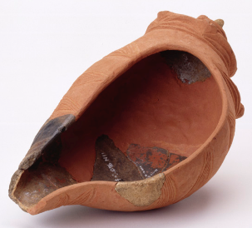 | Gastropod | conch shell | Object (clay) | Bōshūbora (Charonia lampas sauliae) Triton's Trumpet | Ritual | NA | Late Jōmon | -1250 | -400 | Kiusu 4 | Ritual/ cemetery | Chitose | Hokkaidō | Hokkaidō | 42.88554 | 141.71615 | https://www.korekawa-jomon.jp/wp-content/uploads/2018/06/H30specialexhibitionleaflet1.pdf | Otani T. 2010. The Ritual Grounds of the Jōmon People in the North: The Kiusu Circular Burial Mounds (Series: Learning from Archaeological Sites n. 74); Hitachinaka Maibun p. 14 https://hitachinaka-maibun.jp/wp-content/uploads/2021/11/埋文だより30.pdf；https://www.iwafune.ne.jp/~joumon/culturalproperty.html | Ritual site with "earthwork burial circles". There are at least two conch shell-shaped items from Kiusu 4, part of the 'red ceramics' painted with cinnabar. (Otani 2010: 65). Only the larger one is depicted here.
ID008 | AA | 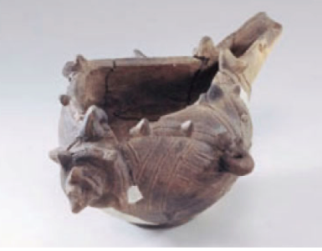 | Gastropod | conch shell | Object (clay) | Bōshūbora (Charonia lampas sauliae) Triton's Trumpet | Ritual | 6.8 x 4.4 x 8.0cm | Late Jōmon (late phase) | -1250 | -400 | Okumiomote | Ritual/ cemetery | Murakami | Niigata | Hokuriku | 38.26306 | 139.70415 | Hitachinaka Maibun p. 14 https://hitachinaka-maibun.jp/wp-content/uploads/2021/11/埋文だより30.pdf；https://www.iwafune.ne.jp/~joumon/culturalproperty.html | https://www.iwafune.ne.jp/~joumon/culturalproperty.html | Okumiomote site group (including Motoyashiki site) is a large-scale ritual site that contains a cemetery and stone circle/stone alignment structures: https://www.iwafune.ne.jp/~joumon/treasure1.html
ID009 | AA | 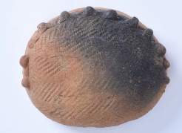 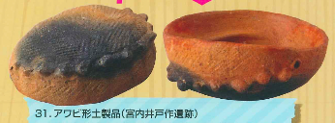 | Gastropod | abalone clam | Object (clay) | "abalone shell-shaped" | Ritual | 12.3x 10.0 x 4.3 cm | Late Jōmon | -1250 | -400 | Miyauchi-Idosaku | Settlement (large-scale) | Sakura | Chiba | Kantō | 35.63149 | 140.24467 | https://www.archives.city.sakura.lg.jp/ja/Content/Detail/B-BKJ-29 | https://www.city.sakura.lg.jp/material/files/group/61/Sakura_Joumonten.pdf | Excavation reports not available online, but image source provides more information: 'Excavated from pit 489 in Area II. Missing rim and body reconstructed. Cordmarking all over the pot .. Late Jomon.Moreover, according to the Reference source, the Miyauchi-Idosaku site contains several other marine representations, including clay cone snail shell objects, and has much in common with nearby Yoshimidai site. See p. 5, https://www.city.sakura.lg.jp/material/files/group/61/Sakura_Joumonten.pdf
ID010 | AA | 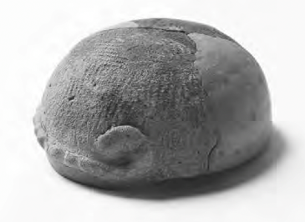 | Gastropod | abalone clam | Object (clay) | "abalone shell-shaped" | Ritual | 17 x 17 x 5.9 cm | Late Jōmon | -1250 | -400 | Yoshimidai | Settlement | Sakura | Chiba | Kantō | 35.7151 | 140.18922 | https://www.archives.city.sakura.lg.jp/ja/Content/Detail/B-BKJ-29 | https://www.city.sakura.lg.jp/material/files/group/61/Sakura_Joumonten.pdf | The Yoshimidai site also contains several other marine representations, including a clay 'cowrie shell', and a rather stylized clay representation of a 'sea animal', believed to be seal or sea lion. See p. 5, https://www.city.sakura.lg.jp/material/files/group/61/Sakura_Joumonten.pdf
ID011 | AA | 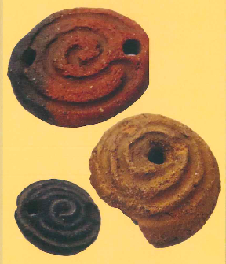 | Gastropod | abalone clam | Object (clay) | cut-off top of the cone snail shell | Ritual | at least 3 items; size n.d. | Late Jōmon? | -1250 | -400 | Miyauchi idosaku | Settlement (large-scale) | Sakura | Chiba | Kantō | 35.63149 | 140.24467 | https://www.archives.city.sakura.lg.jp/ja/Content/Detail/B-BKJ-29 | Inba District Municipal Cultural Resources Centre (IDMCRC) (2007). Prehistoric and Ancient Inba: The Jōmon Period. Inba: Inba District Municipal Cultural Resources Centre.
ID012 | AA | 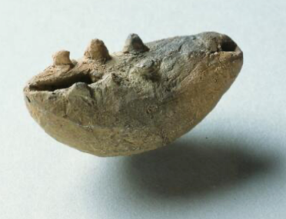 | Gastropod | cowrie shell | Object (clay) | cowrie-shell shaped | Ritual | 4.6 x 2.3 cm | Late Jōmon | -1250 | -400 | Yoshimidai | Settlement | Sakura | Chiba | Kantō | 35.7151 | 140.18922 | https://www.archives.city.sakura.lg.jp/ja/Content/Detail/B-BKJ-31 | Sakura Municipal Board of Education 2020 Jomon exhibition of all Sakura (information pamphlet) p. 5 fig 36
ID013 | AA | 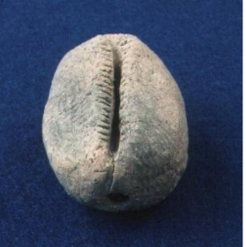 | Gastropod | cowrie shell | Object (clay) | cowrie-shell shaped | Ritual | 5.5cmx4.0cmx3.1cm | Middle Jōmon (Middle phase) | -3520 | -2470 | Kitadai | NA | Toyama | Toyama | Hokuriku | 36.71748 | 137.18385 | https://www.city.toyama.toyama.jp/etc/maibun/kitadai/j_kouza/kouza-13.html |  | Similar Middle Jōmon finds from Toyama, Nagano and Gifu prefectures
ID014 | AA | 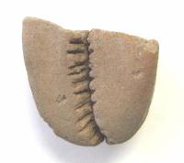 | Gastropod | cowrie shell | Object (clay) | cowrie-shell shaped | Ritual | (3.8) x 3.6 x 2.6cm | Middle Jōmon (Middle phase) | -3520 | -2470 | Hanakiri | Settlement | Toyama | Toyama | Hokuriku | 36.561115 | 137.468957 | https://www.city.toyama.toyama.jp/etc/maibun/center/topics/hanakiri/hanakiri.htm | Ōyama Town Board of Education (1999). Ōyama Town Buried Cultural Property Survey Report No. 9: Summary of the Excavation at the Hanakiri Site, Ōyama Town, Toyama Prefecture. | According to the site report (p. 13) this cowrie shell-shaped object was recovered from a house pit close to the house floor, but the pit contained many artefacts. It is broken but full lenght probalby 6-7cm.
ID015 | AA | 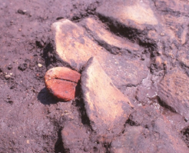 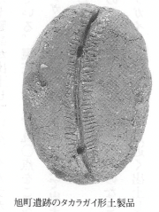 | Gastropod | cowrie shell | Oobject (clay) [with red pigment?] | cowrie-shell shaped | Ritual | (not mentioned in this source) | Middle Jōmon (final phase) | -3000 | -2470 | Asahimachi | Settlement | Nagano | Nagano | Chūbu | 35.91471 | 137.98582 | http://bunkazai-nagano.jp/modules/dbsearch/page0192.html | https://adeac.jp/nagano-city/texthtml/d100020/ct00000002/ht000540
ID016 | AA | 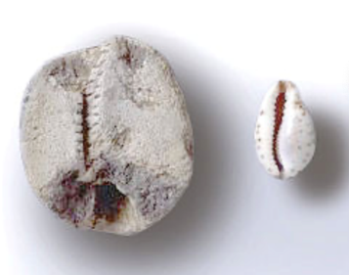 | Gastropod | cowrie shell | Object (clay) | cowrie-shell shaped | Ritual | 4.2 x 3.6 cm | Middle-Late Jōmon | -3520 | -1250 | Iwagaito | Settlement (large-scale | Takayama | Gifu | Chūbu | 36.18159 | 137.40592 | Gifu prefecture Cultural Properties Preservation Centre: https://www.pref.gifu.lg.jp/page/2560.html. Or: Gifu prefecture Cultural Properties Preservation Centre Pamphlet 2001 p. 5 https://www.pref.gifu.lg.jp/uploaded/attachment/93294.pdf | Sato, A. (2022) Meaning of cowrie-shaped clay objects. Tōhoku Shūkyōgaku (Tohoku Journal of Religious Studies) 18: 215-227. https://tohoku.repo.nii.ac.jp/records/139659
ID017 | AA |  | Gastropod | cowrie shell | Object (clay) | cowrie-shell shaped | Ritual | 7.5 x 4.3 cm | Late Jōmon | -2470 | -1250 | Tateishi | Ritual (stone circle) | Õhasama | Iwate | Tōhoku | 39.53403 | 141.36949 | Iwate: Heritage for the Future: The Story of Archaeological Sites: From the Paleolithic to the Kofun Period (2000): p. 67. | Sato, A. (2022) Meaning of cowrie-shaped clay objects. Tōhoku Shūkyōgaku (Tohoku Journal of Religious Studies) 18: 215-227. https://tohoku.repo.nii.ac.jp/records/139659 | (Cowrie-shaped clay object mentioned in Ooyama Board of Education 1999 Hanakiri site report p. 13). Tateishi Site report from 1979 unavailable online, but site information at https://sitereports.nabunken.go.jp/en/62165) > Late Jōmon stone alignment with many ritual objects. Iwate: Heritage for the Future: The Story of Archaeological Sites: From the Paleolithic to the Kofun Period (2000) p. 130 also mentions finds of actual cowrie shells from Iwate
ID018 | AA | 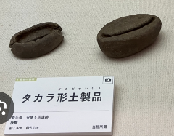 n.a. (2 Items: Sato 2022) | Gastropod | cowrie shell | 2 objects (clay) | cowrie-shell shaped | Ritual | NA | Late Jōmon | -2470 | -1250 | Anryō Area 6 | Ritual (stone circle) | Hanamaki | Iwate | Tōhoku | 39.38332 | 141.21485 | (photo from instagram) | Sato, A. (2022) Meaning of cowrie-shaped clay objects. Tōhoku Shūkyōgaku (Tohoku Journal of Religious Studies) 18: 215-227. https://tohoku.repo.nii.ac.jp/records/139659
ID019 | AA | 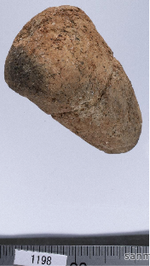 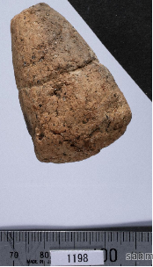 | Gastropod | cone snail shell | Object (clay) | crude representation of entire shell | Ritual | 5.9cm x | Early-Middle Jōmon | -5050 | -2470 | Sannai-Maruyama | Settlement (large-scale) | Aomori | Aomori | Tōhoku | 40.81059 | 140.69672 | Sannai-Maruyama site Jōmon Digital Archive (Sanmaru Search): https://sannaimaruyama.pref.aomori.jp/sanmaru_search/detail/?c=15678 | https://www.ao-maibun.jp/book/pdf/kiyou_21.pdf XXXX
ID020 | AA | 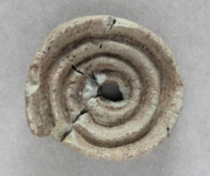 | Gastropod | cone snail shell | Object (stone) | cut-off top of the cone snail shell | Ritual | 3.9 x 3.0 x 0.9 cm | Final Jōmon | -1250 | -400 | Hinohama | NA | Hakodate | Hokkaidō | Hokkaidō | 41.78828 | 141.10547 | Hakodate Municipal Museum. https://hakohaku-archives.c.fun.ac.jp/records/401355 | Hakodate Municipal Museum. https://hakohaku-archives.c.fun.ac.jp/records/401355 | According to this website, the stone material is talcstone. (Also many other Ritual objects including animal/boar figurines, jades etc).
ID021 | AA | 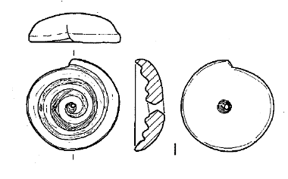 | Gastropod | cone snail shell | Object (stone) | cut-off top of the cone snail shell | Ritual | 5.1 x 5.1 x 1.6 cm | Final Jōmon | -1250 | -400 | Menasawa | NA | Hakodate | Hokkaidō | Hokkaidō | 41.81189 | 140.87631 | Inano, Y. 1982. The clay and stone objects with spiral motifs in Kamegaoka culture. Shigaku (The Historical Science) 52(9): 149 (313)-158(322). | Inano, Y. 1982. The clay and stone objects with spiral motifs in Kamegaoka culture. Shigaku (The Historical Science) 52(9): 149 (313)-158(322).
ID022 | AA | 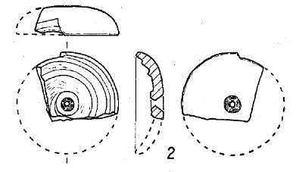 | Gastropod | cone snail shell | Object (stone) | cut-off top of the cone snail shell | Ritual | (3.8) x 4.5 x1.5 cm | Final Jōmon | -1250 | -400 | Menasawa | NA | Hakodate | Hokkaidō | Hokkaidō | 41.81189 | 140.87631 | Inano, Y. 1982. The clay and stone objects with spiral motifs in Kamegaoka culture. Shigaku (The Historical Science) 52(9): 149 (313)-158(322). | Inano, Y. 1982. The clay and stone objects with spiral motifs in Kamegaoka culture. Shigaku (The Historical Science) 52(9): 149 (313)-158(322).
ID023 | AA | 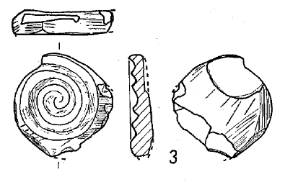 | Gastropod | cone snail shell | Object (stone) | cut-off top of the cone snail shell | Ritual | 5.1 x 5.0 x 1.1 cm | Final Jōmon | -1250 | -400 | Menasawa | NA | Hakodate | Hokkaidō | Hokkaidō | 41.81189 | 140.87631 | Inano, Y. 1982. The clay and stone objects with spiral motifs in Kamegaoka culture. Shigaku (The Historical Science) 52(9): 149 (313)-158(322). | Inano, Y. 1982. The clay and stone objects with spiral motifs in Kamegaoka culture. Shigaku (The Historical Science) 52(9): 149 (313)-158(322).
ID024 | AA | 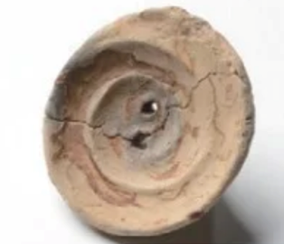 | Gastropod | cone snail shell | object (clay) | cut-off top of the cone snail shell | Ritual | diameter c. 7.6 cm | Final Jōmon | -1250 | -400 | Okadama Jōmon | Ritual site? | Sapporo | Hokkaidō | Hokkaidō | 43.07996 | 141.44852 | https://kitano-jomon.jp/ruins/okadama/ | https://kitano-jomon.jp/ruins/okadama/ | No houses but 20 fireplaces, pottery is Munazawa type, and lots of stone tools. Other notable finds: multiple amber flat beads.
ID025 | AA | 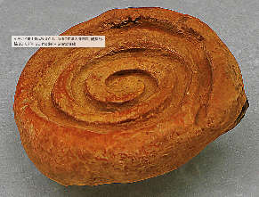 | Gastropod | cone snail shell | Object (clay) | cut-off top of the cone snail shell | Ritual | NA | Final Jōmon | -1250 | -400 | Ookawa | Cemetery | Yōchi-town | Hokkaidō | Hokkaidō | 43.19185 | 140.80226 | https://sketchfab.com/3d-models/43d-bbf8cee218b04e98bfb1ea05b60bc6dd | 3-D modelling by Araki Minoru, Special Exhibition "Excavated Japanese Archipelago 2024", Chiba Prefectural Museum | See also: https://www.youtube.com/watch?v=-WkTh-Jtylo
ID026 | AA | 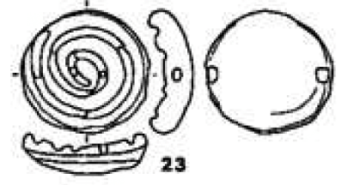 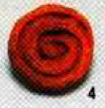 | Gastropod | cone snail shell | Object (clay) | cut-off top of the cone snail shell | Ritual | NA | Final Jōmon | -1250 | -400 | Ookawa | Cemetery | Yōchi-town | Hokkaidō | Hokkaidō | 43.19185 | 140.80226 | https://sitereports.nabunken.go.jp/en/130425 | Yoichi Town Board of Education (1995). Preliminary Report on the 1994 Excavation of the Ōkawa Site. Yoichi: Yoichi Town Board of Education. | During the Final Jōmon mostly a ritual/cemetery site. Many finds of ritual objects, jade and amber ornaments. Very long-term use, also including Epi-Jōmon and Satsumon periods, and later. [Featured in Hakken Sareta Nihon Rettō 2024]
ID027 | AA | 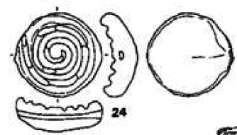 | Gastropod | cone snail shell | Object (clay) | cut-off top of the cone snail shell | Ritual | NA | Final Jōmon | -1250 | -400 | Ookawa | Cemetery | Yōchi-town | Hokkaidō | Hokkaidō | 43.19185 | 140.80226 | https://sitereports.nabunken.go.jp/en/130425 | Yoichi Town Board of Education (1995). Preliminary Report on the 1994 Excavation of the Ōkawa Site. Yoichi: Yoichi Town Board of Education. | During the Final Jōmon mostly a ritual/cemetery site. Many finds of ritual objects, jade and amber ornaments. Very long-term use, also including Epi-Jōmon and Satsumon periods, and later. [Featured in Hakken Sareta Nihon Rettō 2024]
ID028 | AA | 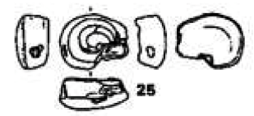 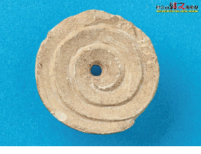 | Gastropod | cone snail shell | Object (clay) | cut-off top of the cone snail shell | Ritual | NA | Final Jōmon | -1250 | -400 | Ookawa | Cemetery | Yōchi-town | Hokkaidō | Hokkaidō | 43.19185 | 140.80226 | https://sitereports.nabunken.go.jp/en/130425 | Yoichi Town Board of Education (1995). Preliminary Report on the 1994 Excavation of the Ōkawa Site. Yoichi: Yoichi Town Board of Education. | During the Final Jōmon mostly a ritual/cemetery site. Many finds of ritual objects, jade and amber ornaments. Very long-term use, also including Epi-Jōmon and Satsumon periods, and later. [Featured in Hakken Sareta Nihon Rettō 2024]
ID029 | AA | 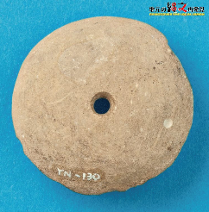 | Gastropod | cone snail shell | Object (clay) | cut-off top of the cone snail shell | Ritual | NA | Final Jōmon | -1250 | -400 | Tsukinoki | Settlement? | Hiranai | Aomori | Tōhoku | 40.86226 | 141.07861 | https://www.ao-maibun.jp/rediscover_jomon/season1/s1_card_179.html |  | Aomori Kyodokan clarifies that excavations have been small-scale and results barely made public, but that it may be an important Kamegaoka site: https://kyodokan.exblog.jp/30367946/
ID030 | AA | 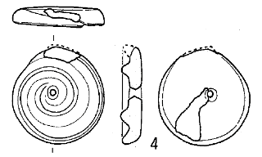 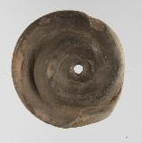 | Gastropod | cone snail shell | Object (clay) | cut-off top of the cone snail shell | Ritual | (5.4) x 5.1 x 1.1 cm | Final Jōmon | -1250 | -400 | Miyata | NA | Aomori | Aomori | Tōhoku | 40.83826 | 140.82904 | Inano, Y. 1982. The clay and stone objects with spiral motifs in Kamegaoka culture. Shigaku (The Historical Science) 52(9): 149 (313)-158(322). | Aomori Kenritsu Kyōdokan (news website with photograph reference): https://kyodokan.exblog.jp/30362878/ | Only 1 recovered at Miyata site (no. 4 in Inano 1982's list). Made of clay; left-turning swirl, slightly crudely made; hole in centre
ID031 | AA | 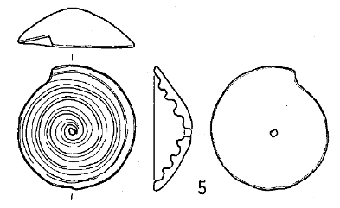 | Gastropod | cone snail shell | Object (clay) | cut-off top of the cone snail shell | Ritual | 6.1 x 5.8 x 1.1 cm | Final Jōmon | -1250 | -400 | Korekawa-Nakai | Large settlement with Ritual spaces | Hachinohe | Aomori | Tōhoku | 40.47367 | 141.49005 | Inano, Y. 1982. The clay and stone objects with spiral motifs in Kamegaoka culture. Shigaku (The Historical Science) 52(9): 149 (313)-158(322). | Korekawa Jōmon Museum
ID032 | AA | 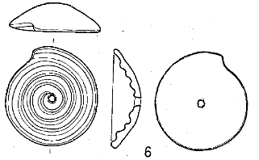 | Gastropod | cone snail shell | Object (clay) | cut-off top of the cone snail shell | Ritual | 6.2 x 5.8 x 2.0 cm | Final Jōmon | -1250 | -400 | Korekawa-Nakai | Large settlement with Ritual spaces | Hachinohe | Aomori | Tōhoku | 40.47367 | 141.49005 | Inano, Y. 1982. The clay and stone objects with spiral motifs in Kamegaoka culture. Shigaku (The Historical Science) 52(9): 149 (313)-158(322). | Inano, Y. 1982. The clay and stone objects with spiral motifs in Kamegaoka culture. Shigaku (The Historical Science) 52(9): 149 (313)-158(322).
ID033 | AA | 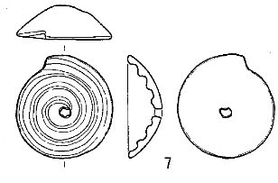 | Gastropod | cone snail shell | Object (clay) | cut-off top of the cone snail shell | Ritual | 6.2 x 5.8 x 1.8 cm | Final Jōmon | -1250 | -400 | Korekawa-Nakai | Large settlement with Ritual spaces | Hachinohe | Aomori | Tōhoku | 40.47367 | 141.49005 | Inano, Y. 1982. The clay and stone objects with spiral motifs in Kamegaoka culture. Shigaku (The Historical Science) 52(9): 149 (313)-158(322). | Inano, Y. 1982. The clay and stone objects with spiral motifs in Kamegaoka culture. Shigaku (The Historical Science) 52(9): 149 (313)-158(322).
ID034 | AA | 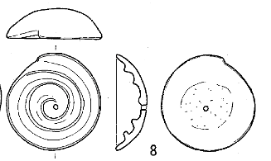 | Gastropod | cone snail shell | Object (clay) | cut-off top of the cone snail shell | Ritual | 6.1 x 5.9 x 1.9 cm | Final Jōmon | -1250 | -400 | Korekawa-Nakai | Large settlement with Ritual spaces | Hachinohe | Aomori | Tōhoku | 40.47367 | 141.49005 | Inano, Y. 1982. The clay and stone objects with spiral motifs in Kamegaoka culture. Shigaku (The Historical Science) 52(9): 149 (313)-158(322). | Inano, Y. 1982. The clay and stone objects with spiral motifs in Kamegaoka culture. Shigaku (The Historical Science) 52(9): 149 (313)-158(322).
ID035 | AA | 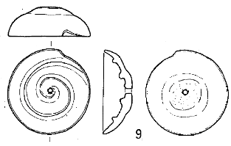 | Gastropod | cone snail shell | Object (clay) | cut-off top of the cone snail shell | Ritual | 6.0 x 5.7 x 2.0 cm | Final Jōmon | -1250 | -400 | Korekawa-Nakai | Large settlement with Ritual spaces | Hachinohe | Aomori | Tōhoku | 40.47367 | 141.49005 | Inano, Y. 1982. The clay and stone objects with spiral motifs in Kamegaoka culture. Shigaku (The Historical Science) 52(9): 149 (313)-158(322). | Inano, Y. 1982. The clay and stone objects with spiral motifs in Kamegaoka culture. Shigaku (The Historical Science) 52(9): 149 (313)-158(322).
ID036 | AA | 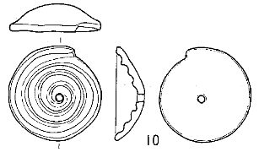 | Gastropod | cone snail shell | Object (clay) | cut-off top of the cone snail shell | Ritual | 6.0 x 5.8 x 1.8 cm | Final Jōmon | -1250 | -400 | Korekawa-Nakai | Large settlement with Ritual spaces | Hachinohe | Aomori | Tōhoku | 40.47367 | 141.49005 | Inano, Y. 1982. The clay and stone objects with spiral motifs in Kamegaoka culture. Shigaku (The Historical Science) 52(9): 149 (313)-158(322). | Inano, Y. 1982. The clay and stone objects with spiral motifs in Kamegaoka culture. Shigaku (The Historical Science) 52(9): 149 (313)-158(322).
ID037 | AA | 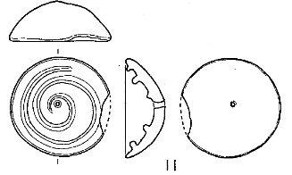 | Gastropod | cone snail shell | Object (clay) | cut-off top of the cone snail shell | Ritual | 6.2 x (6.1) x 2.5 cm | Final Jōmon | -1250 | -400 | Korekawa-Nakai | Large settlement with Ritual spaces | Hachinohe | Aomori | Tōhoku | 40.47367 | 141.49005 | Inano, Y. 1982. The clay and stone objects with spiral motifs in Kamegaoka culture. Shigaku (The Historical Science) 52(9): 149 (313)-158(322). | Inano, Y. 1982. The clay and stone objects with spiral motifs in Kamegaoka culture. Shigaku (The Historical Science) 52(9): 149 (313)-158(322).
ID038 | AA | 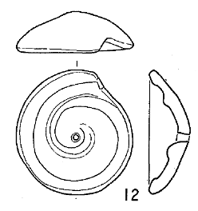 | Gastropod | cone snail shell | Object (clay) | cut-off top of the cone snail shell | Ritual | 7.0 x 6.6 x 2.3 cm | Final Jōmon | -1250 | -400 | Korekawa-Nakai | Large settlement with Ritual spaces | Hachinohe | Aomori | Tōhoku | 40.47367 | 141.49005 | Inano, Y. 1982. The clay and stone objects with spiral motifs in Kamegaoka culture. Shigaku (The Historical Science) 52(9): 149 (313)-158(322). | Inano, Y. 1982. The clay and stone objects with spiral motifs in Kamegaoka culture. Shigaku (The Historical Science) 52(9): 149 (313)-158(322).
ID039 | AA | 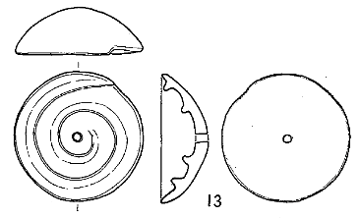 | Gastropod | cone snail shell | Object (clay) | cut-off top of the cone snail shell | Ritual | 7.2 x 7.2 x 2.6 cm | Final Jōmon | -1250 | -400 | Korekawa-Nakai | Large settlement with Ritual spaces | Hachinohe | Aomori | Tōhoku | 40.47367 | 141.49005 | Inano, Y. 1982. The clay and stone objects with spiral motifs in Kamegaoka culture. Shigaku (The Historical Science) 52(9): 149 (313)-158(322). | Inano, Y. 1982. The clay and stone objects with spiral motifs in Kamegaoka culture. Shigaku (The Historical Science) 52(9): 149 (313)-158(322).
ID040 | AA | 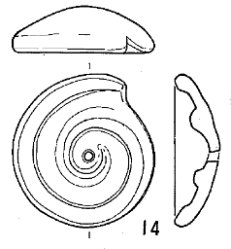 | Gastropod | cone snail shell | Object (clay) | cut-off top of the cone snail shell | Ritual | 7.0 x 6.6 x 2.1 cm | Final Jōmon | -1250 | -400 | Korekawa-Nakai | Large settlement with Ritual spaces | Hachinohe | Aomori | Tōhoku | 40.47367 | 141.49005 | Inano, Y. 1982. The clay and stone objects with spiral motifs in Kamegaoka culture. Shigaku (The Historical Science) 52(9): 149 (313)-158(322). | Inano, Y. 1982. The clay and stone objects with spiral motifs in Kamegaoka culture. Shigaku (The Historical Science) 52(9): 149 (313)-158(322).
ID041 | AA | 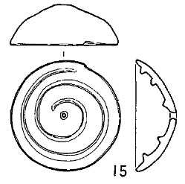 | Gastropod | cone snail shell | Object (clay) | cut-off top of the cone snail shell | Ritual | 6.5 x 6.3 x 2.4 cm | Final Jōmon | -1250 | -400 | Makumaedai | NA | Ichinohe | Iwate | Tōhoku | 40.21225 | 141.29564 | Inano, Y. 1982. The clay and stone objects with spiral motifs in Kamegaoka culture. Shigaku (The Historical Science) 52(9): 149 (313)-158(322). | Inano, Y. 1982. The clay and stone objects with spiral motifs in Kamegaoka culture. Shigaku (The Historical Science) 52(9): 149 (313)-158(322).
ID042 | AA | 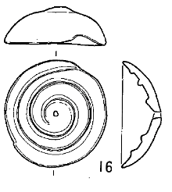 | Gastropod | cone snail shell | Object (clay) | cut-off top of the cone snail shell | Ritual | 6.5 x 6.2 x 2.4 cm | Final Jōmon | -1250 | -400 | Makumaedai | NA | Ichinohe | Iwate | Tōhoku | 40.21225 | 141.29564 | Inano, Y. 1982. The clay and stone objects with spiral motifs in Kamegaoka culture. Shigaku (The Historical Science) 52(9): 149 (313)-158(322). | Inano, Y. 1982. The clay and stone objects with spiral motifs in Kamegaoka culture. Shigaku (The Historical Science) 52(9): 149 (313)-158(322).
ID043 | AA | 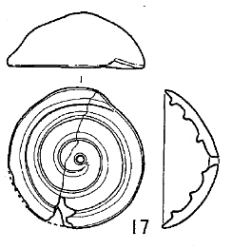 | Gastropod | cone snail shell | Object (clay) | cut-off top of the cone snail shell | Ritual | 6.4 x 6.4 x 2.6 cm | Final Jōmon | 1250 | 400 | Makumaedai | NA | Ichinohe | Iwate | Tōhoku | 40.21225 | 141.29564 | Inano, Y. 1982. The clay and stone objects with spiral motifs in Kamegaoka culture. Shigaku (The Historical Science) 52(9): 149 (313)-158(322). | Inano, Y. 1982. The clay and stone objects with spiral motifs in Kamegaoka culture. Shigaku (The Historical Science) 52(9): 149 (313)-158(322).
ID044 | AA | 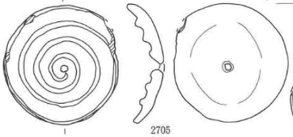 | Gastropod | cone snail shell | Object (clay) | cut-off top of the cone snail shell | Ritual | 6.5x (6.2) cm | Final Jōmon (early phase) | -1250 | -400 | Nagakura Ichi | Settlement with Ritual spaces | Karumai-chō | Iwate | Tōhoku | 40.32785 | 141.46282 | https://sitereports.nabunken.go.jp/1465 | Iwate Cultural Promotion Agency, Centre for Buried Cultural Properties (2000). Excavation Report of the Nagakura 1 Site (Iwate Cultural Promotion Agency, Report on Buried Cultural Properties No. 336). | Eight 'cone snail shell-shaped clay objects' were found at Nagakura 1 site in total, all recovered from the 'eastern depositional area', and between 6-7cm in diameter. Rough on the outside; right-pointing swirl for all. Similar finds in Iwate prefecture: Makumae site [could not be confirmed from online available sources and site reports ] and Yamai site in Ichinohe town, and Ōashi-ichi １ site in Kuji city ( Site report, p. 212). [Descriptional data: p. 720; drawings taken from p. 419. Colour group photograph: front p. viii).
ID045 | AA | 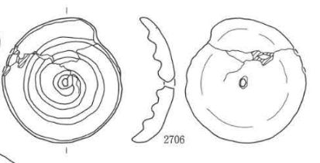 | Gastropod | cone snail shell | Object (clay) | cut-off top of the cone snail shell | Ritual | 6.4 x 6.2x 2.2 cm | Final Jōmon (early phase) | -1250 | -1000 | Nagakura Ichi | Settlement with Ritual spaces | Karumai-chō | Iwate | Tōhoku | 40.32785 | 141.46282 | https://sitereports.nabunken.go.jp/en/1465 | Iwate Cultural Promotion Agency, Centre for Buried Cultural Properties (2000). Excavation Report of the Nagakura 1 Site (Iwate Cultural Promotion Agency, Report on Buried Cultural Properties No. 336).
ID046 | AA | 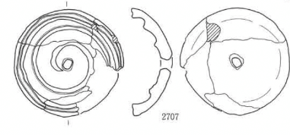 | Gastropod | cone snail shell | Object (clay) | cut-off top of the cone snail shell | Ritual | 6.8 x 6.8 x 2.6 cm | Final Jōmon (early phase) | -1250 | -1000 | Nagakura Ichi | Settlement with Ritual spaces | Karumai-chō | Iwate | Tōhoku | 40.32785 | 141.46282 | https://sitereports.nabunken.go.jp/en/1465 | Iwate Cultural Promotion Agency, Centre for Buried Cultural Properties (2000). Excavation Report of the Nagakura 1 Site (Iwate Cultural Promotion Agency, Report on Buried Cultural Properties No. 336).
ID047 | AA | 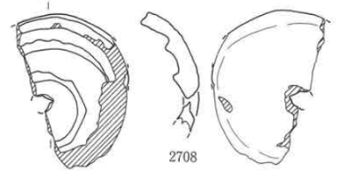 | Gastropod | cone snail shell | Object (clay) | cut-off top of the cone snail shell | Ritual | (6.0)x(4.4)x(2.2)cm | Final Jōmon (early phase) | -1250 | -1000 | Nagakura Ichi | Settlement with Ritual spaces | Karumai-chō | Iwate | Tōhoku | 40.32785 | 141.46282 | https://sitereports.nabunken.go.jp/en/1465 | Iwate Cultural Promotion Agency, Centre for Buried Cultural Properties (2000). Excavation Report of the Nagakura 1 Site (Iwate Cultural Promotion Agency, Report on Buried Cultural Properties No. 336).
ID048 | AA | 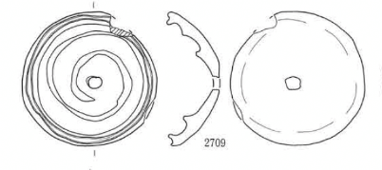 | Gastropod | cone snail shell | Object (clay) | cut-off top of the cone snail shell | Ritual | 6.7 x 6.7cm | Final Jōmon (early phase) | -1250 | -1000 | Nagakura Ichi | Settlement with Ritual spaces | Karumai-chō | Iwate | Tōhoku | 40.32785 | 141.46282 | https://sitereports.nabunken.go.jp/en/1465 | Iwate Cultural Promotion Agency, Centre for Buried Cultural Properties (2000). Excavation Report of the Nagakura 1 Site (Iwate Cultural Promotion Agency, Report on Buried Cultural Properties No. 336).
ID049 | AA | 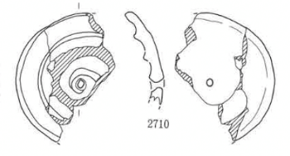 | Gastropod | cone snail shell | Object (clay) | cut-off top of the cone snail shell | Ritual | (6.4)x (5.0) x (1.9)cm | Final Jōmon (early phase) | -1250 | -1000 | Nagakura Ichi | Settlement with Ritual spaces | Karumai-chō | Iwate | Tōhoku | 40.32785 | 141.46282 | https://sitereports.nabunken.go.jp/en/1465 | Iwate Cultural Promotion Agency, Centre for Buried Cultural Properties (2000). Excavation Report of the Nagakura 1 Site (Iwate Cultural Promotion Agency, Report on Buried Cultural Properties No. 336).
ID050 | AA |  | Gastropod | cone snail shell | Object (clay) | cut-off top of the cone snail shell | Ritual | 6.9 x 6.7 x 2.4 cm | Final Jōmon (early phase) | -1250 | -1000 | Nagakura Ichi | Settlement with Ritual spaces | Karumai-chō | Iwate | Tōhoku | 40.32785 | 141.46282 | https://sitereports.nabunken.go.jp/en/1465 | Iwate Cultural Promotion Agency, Centre for Buried Cultural Properties (2000). Excavation Report of the Nagakura 1 Site (Iwate Cultural Promotion Agency, Report on Buried Cultural Properties No. 336).
ID051 | AA |  | Gastropod | cone snail shell | Object (clay) | cut-off top of the cone snail shell | Ritual | (2.0) x (4.7)x (1.9) cm | Final Jōmon (early phase) | -1250 | -1000 | Nagakura Ichi | Settlement with Ritual spaces | Karumai-chō | Iwate | Tōhoku | 40.32785 | 141.46282 | https://sitereports.nabunken.go.jp/en/1465 | Iwate Cultural Promotion Agency, Centre for Buried Cultural Properties (2000). Excavation Report of the Nagakura 1 Site (Iwate Cultural Promotion Agency, Report on Buried Cultural Properties No. 336).
ID052 | AA |  | Gastropod | cone snail shell | Object (stone) | cut-off top of the cone snail shell | Ritual | NA | Final Jōmon | -1250 | -400 | Kamioka | NA | ? | Fukushima | Tōhoku | 37.82646 | 140.47807
ID053 | AA |  | Gastropod | cone snail shell | Object (stone) | cut-off top of the cone snail shell | Ritual | 6.8 x 6.2 x 2.0cm | Final Jōmon | -1250 | -400 | Kajisawa | Settlement with cemetery | Zaō | Miyagi | Tōhoku | 38.26885 | 140.87301 | Miyagi Prefectural Board of Education (2010). Kajisawa Site and Others. Report on Cultural Properties of Miyagi Prefecture, No. 222 | Miyagi Prefectural Board of Education (2010). Kajisawa Site and Others. Report on Cultural Properties of Miyagi Prefecture, No. 222 | Period: c. early Final Jōmon. (Shell item for comparisons, not found at site).
ID054 | AA |  | Gastropod | cone snail shell | Object (stone) | cut-off top of the cone snail shell | Ritual | 4.8 x 4.5 x 1.3 cm | Final Jōmon | -1250 | -400 | Kajisawa | Settlement with cemetery | Zaō | Miyagi | Tōhoku | 38.26885 | 140.87301 | Miyagi Prefectural Board of Education (2010). Kajisawa Site and Others. Report on Cultural Properties of Miyagi Prefecture, No. 222 | Miyagi Prefectural Board of Education (2010). Kajisawa Site and Others. Report on Cultural Properties of Miyagi Prefecture, No. 222
ID055 | AA |  | Gastropod | cone snail shell | Object (stone) | cut-off top of the cone snail shell | Ritual | NA | Final Jōmon | -1250 | -400 | Kitakomatsu | Settlement with Ritual spaces (burials, deposits) | Oozaki | Miyagi | Tōhoku | 38.61789 | 140.9981 | Miyagi Prefectural Board of Education (2014) Kitakomatsu Site. Report on Cultural Properties of Miyagi Prefecture, No. 234. | Miyagi Prefectural Board of Education (2014) Kitakomatsu Site. Report on Cultural Properties of Miyagi Prefecture, No. 234. | Broken; size n.d. From cultural layer deposit.
ID056 | AA |  | Gastropod | cone snail shell | Object (stone) | cut-off top of the cone snail shell | Ritual | 4.1 x 4.0 x 0.7 cm | Final Jōmon ? | -1250 | -400 | Uchinotai | Ritual (stone circle) | Kosaka-chō | Akita | Tōhoku | 40.33308 | 140.73607 | Inano, Y. 1982. The clay and stone objects with spiral motifs in Kamegaoka culture. Shigaku (The Historical Science) 52(9): 149 (313)-158(322). | Inano, Y. 1982. The clay and stone objects with spiral motifs in Kamegaoka culture. Shigaku (The Historical Science) 52(9): 149 (313)-158(322).
ID057 | AA |  | Gastropod | cone snail shell | Object (stone) | cut-off top of the cone snail shell | Ritual | NA | Late Jōmon | -2470 | -1250 | Ōyu | Ritual (stone circle & burials) | Kazuno | Akita | Tōhoku | 40.27189 | 140.80399 | Kazuno City Board of Education (1995) Excavation Report of the Special Historic Site Ōyu Stone Circles, Vol. 11. Kazuno: Kazuno City Board of Education. | Kazuno City Board of Education (1995) Excavation Report of the Special Historic Site Ōyu Stone Circles, Vol. 11. Kazuno: Kazuno City Board of Education.
ID058 | AA |  | Gastropod | cone snail shell | Object (stone) | cut-off top of the cone snail shell | Ritual | NA | Late Jōmon | -2470 | -1250 | Ōyu | Ritual (stone circle & burials) | Kazuno | Akita | Tōhoku | 40.27189 | 140.80399 | Kazuno City Board of Education (1995) Excavation Report of the Special Historic Site Ōyu Stone Circles, Vol. 11. Kazuno: Kazuno City Board of Education. | Kazuno City Board of Education (1995) Excavation Report of the Special Historic Site Ōyu Stone Circles, Vol. 11. Kazuno: Kazuno City Board of Education.
ID059 | AA |  | Gastropod | cone snail shell | Object (clay) (>2) | cut-off top of the cone snail shell | Ritual | NA | Late Jōmon | -2470 | -1250 | Isedotai | Ritual (stone circle & burials) | Kita-Akita | Akita | Tōhoku | 40.20199 | 140.3508 | Naganuma T. 2006. Primitive Art and Artifacts of Hokkaidō. Shitara, H. (Ed.), A Study of Primitive Paintings. Rokuichi Shobō, Tokyo: 97–143. | Naganuma T. 2006. Primitive Art and Artifacts of Hokkaidō. Shitara, H. (Ed.), A Study of Primitive Paintings. Rokuichi Shobō, Tokyo: 97–143. | Report mention p. 111; drawings p. 112
ID060 | AA |  | Whale |  | Whale effigy spoon handle (bone) | Carved | Ritual (communal meals) | Object lenght: 13cm | Epi-Jōmon | -340 | 700 | Esan shell mound | Settlement | Esan | Hokkaidō | Hokkaidō | 41.78608 | 141.142 | Naganuma T. 2006. Primitive Art and Artifacts of Hokkaidō. Shitara, H. (Ed.), A Study of Primitive Paintings. Rokuichi Shobō, Tokyo: 97–143. | Naganuma T. 2006. Primitive Art and Artifacts of Hokkaidō. Shitara, H. (Ed.), A Study of Primitive Paintings. Rokuichi Shobō, Tokyo: 97–143.
ID061 | AA |  | Whale |  | Whale effigy spoon handle (bone) | Carved | Ritual (communal meals) | Object lenght: 14cm | Epi-Jōmon | -340 | 700 | Esan shell mound | Settlement | Esan | Hokkaidō | Hokkaidō | 41.78608 | 141.142 | Naganuma T. 2006. Primitive Art and Artifacts of Hokkaidō. Shitara, H. (Ed.), A Study of Primitive Paintings. Rokuichi Shobō, Tokyo: 97–143. | Naganuma T. 2006. Primitive Art and Artifacts of Hokkaidō. Shitara, H. (Ed.), A Study of Primitive Paintings. Rokuichi Shobō, Tokyo: 97–143.
ID062 | AA |  | Whale |  | Whale effigy spoon handle (bone) | Carved | Ritual (communal meals) | Object lenght: 9cm | Epi-Jōmon | -340 | 700 | Usu-Moshiri | Settlement | Date | Hokkaidō | Hokkaidō | 42.52563 | 140.78145 | Naganuma T. 2006. Primitive Art and Artifacts of Hokkaidō. Shitara, H. (Ed.), A Study of Primitive Paintings. Rokuichi Shobō, Tokyo: 97–143. | Naganuma T. 2006. Primitive Art and Artifacts of Hokkaidō. Shitara, H. (Ed.), A Study of Primitive Paintings. Rokuichi Shobō, Tokyo: 97–143.
ID063 | AA |  | Whale |  | Whale effigy spoon handle (bone) | Carved | Ritual (communal meals) | Object lenght: 8 cm | Epi-Jōmon | -340 | 700 | Usu-Moshiri | Settlement | Date | Hokkaidō | Hokkaidō | 42.52563 | 140.78145 | Naganuma T. 2006. Primitive Art and Artifacts of Hokkaidō. Shitara, H. (Ed.), A Study of Primitive Paintings. Rokuichi Shobō, Tokyo: 97–143. | Naganuma T. 2006. Primitive Art and Artifacts of Hokkaidō. Shitara, H. (Ed.), A Study of Primitive Paintings. Rokuichi Shobō, Tokyo: 97–143.
ID064 | AA |  | Whale |  | Whale effigy spoon handle (bone) | Carved | Ritual (communal meals) | Object lenght: 8 cm | Epi-Jōmon | -340 | 700 | Usu-Moshiri | Settlement | Date | Hokkaidō | Hokkaidō | 42.52563 | 140.78145 | Naganuma T. 2006. Primitive Art and Artifacts of Hokkaidō. Shitara, H. (Ed.), A Study of Primitive Paintings. Rokuichi Shobō, Tokyo: 97–143. | Naganuma T. 2006. Primitive Art and Artifacts of Hokkaidō. Shitara, H. (Ed.), A Study of Primitive Paintings. Rokuichi Shobō, Tokyo: 97–143.
ID065 | AA |  | Whale |  | Whale effigy spoon handle (bone) | Carved | Ritual (communal meals) | Object lenght: 12 cm | Epi-Jōmon | -340 | 700 | Usu-Moshiri | Settlement | Date | Hokkaidō | Hokkaidō | 42.52563 | 140.78145 | Naganuma T. 2006. Primitive Art and Artifacts of Hokkaidō. Shitara, H. (Ed.), A Study of Primitive Paintings. Rokuichi Shobō, Tokyo: 97–143. | Naganuma T. 2006. Primitive Art and Artifacts of Hokkaidō. Shitara, H. (Ed.), A Study of Primitive Paintings. Rokuichi Shobō, Tokyo: 97–143.
ID066 | AA |  | Shark |  | Pot (clay) | Engraved | NA | Lenght: 15 cm Width (including the fins): 5 cm | Middle Yayoi | -450 | 50 | Shiroedakōjin | NA | NA | Shimane | Chūgoku | 35.36853 | 132.734389 | Izumo City Board of Education (1997), Shiroedakōjin Site. | Izumo City Board of Education (1997), Shiroedakōjin Site; Yamada Y. 2006. Yayoi paintings of the San'in region. Shitara, H. (Ed.), A Study of Primitive Paintings. Rokuichi Shobō, Tokyo: 193-230.
ID067 | AA |  | Shark |  | Pot (clay) | Engraved | NA | NA | Middle Yayoi | -450 | 50 | Shiroedakōjin | NA | NA | Shimane | Chūgoku | 35.36853 | 132.734389 | Yamada Y. 2006. Yayoi paintings of the San'in region. Shitara, H. (Ed.), A Study of Primitive Paintings. Rokuichi Shobō, Tokyo: 193-230. | Izumo City Board of Education (1997), Shiroedakōjin Site; Yamada Y. 2006. Yayoi paintings of the San'in region. Shitara, H. (Ed.), A Study of Primitive Paintings. Rokuichi Shobō, Tokyo: 193-230.
ID068 | AA |  | Shark | Sphyrna spp. | Pot (clay) | Engraved | NA | NA | Yayoi | -1000 | 250 | Haru no Tsuji | Settlement | Iki Island | Nagasaki | Kyūshū | 33.76014 | 129.75175 | Nishimoto, T. (2008). The History of Humans and Animals in Japan, Vol. 1: Archaeology of Animals. Tokyo: Yoshikawa Kōbunkan. | Nishimoto, T. (2008). The History of Humans and Animals in Japan, Vol. 1: Archaeology of Animals. Tokyo: Yoshikawa Kōbunkan.
ID069 | AA |  | Shark | Isurus oxyrinchus/ Prionace glauca | Sword (bronze) | Engraved | Ritual | Sword total lenght: 42 cm | Middle Yayoi | -450 | 50 | [unknown] | NA | [unknown] | [unknown] | [unknown] | [unknown] | [unknown] | On the Engraved Shark Drawings Discovered on a Bronze Sword in the Collection of the Tottori Prefectural Museum - National Institutes for Cultural Heritage, Nara National Research Institute for Cultural Properties February 9–10 (2016) | On the Engraved Shark Drawings Discovered on a Bronze Sword in the Collection of the Tottori Prefectural Museum - National Institutes for Cultural Heritage, Nara National Research Institute for Cultural Properties February 9–10 (2016)
ID070 | AA |  | Shark | Sphyrna spp. | Wooden board (part of a box) | Engraved | NA | Box dimensions Lenght: 54 cm Width: 13 cm Height: 9 cm | Late Yayoi | 50 | 250 | Hakaza | NA | Toyooka | Hyōgo | Kinki | 35.48941 | 134.88751 | On the Engraved Shark Drawings Discovered on a Bronze Sword in the Collection of the Tottori Prefectural Museum - National Institutes for Cultural Heritage, Nara National Research Institute for Cultural Properties February 9–10 (2016); Hakaza Site - Hyōgo Prefectural Cultural Property Investigation Report No. 197 (2000) | On the Engraved Shark Drawings Discovered on a Bronze Sword in the Collection of the Tottori Prefectural Museum - National Institutes for Cultural Heritage, Nara National Research Institute for Cultural Properties February 9–10 (2016); Hakaza Site, Hyōgo Prefectural Cultural Property Investigation Report No. 197 (2000)
ID071 | AA |  | Shark |  | Wooden board part of a koto (musical instrument) | Engraved | Ritual | Shark dimensions: Lenght: 15 cm Width (including the fins): 5 cm Board dimensions: Lenght: 29 cm Height: 10 cm | Middle Yayoi | -450 | 50 | Aoya Kamijichi | Settlement | Tottori | Tottori | Chūgoku (San'in) | 35.51363 | 133.99345 | Tottori Prefectural Foundation for Cultural Heritage, Aoya Kamijichi Site Report (2002) | Tottori Prefectural Foundation for Cultural Heritage (2002), Aoya Kamijichi Site Report.
...

